Solutions
1 | Which state was ranked 25th in population in 1993?
 | South Carolina
 | In Column H, I sorted all states by descending order of population count for the year 1993.
 | Please notice the A26th row in the below screenshot as it is the 25th-ranked state (excluding the header in the 1st row) (or) sort Column L of the 1st worksheet titled States as mentioned above.
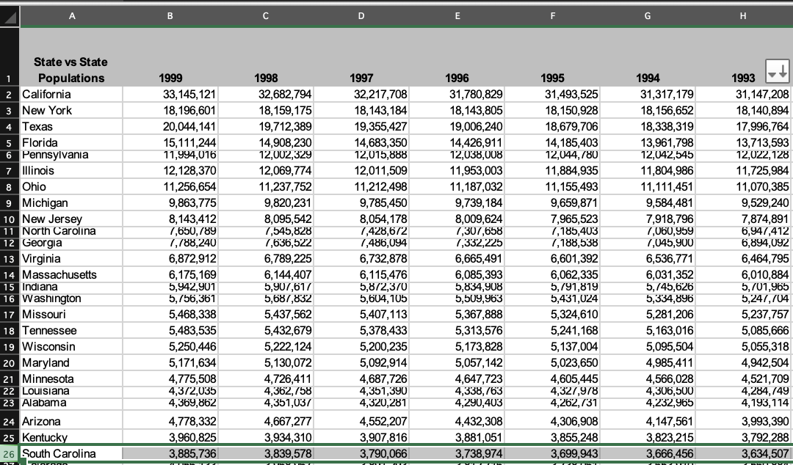

2 | Which state had the largest percentage increase in population from 1990 to 1999?
 | Nevada
 | In Column L, I calculated the percentage increase for all states and sorted the columns in descending order to get the state with the largest increase in L2 row.
 | Please see 1st worksheet titled States (Column L) for Formula.

3 | Which states had populations of more than 1 million and less than 2 million in 1995?
 | Nevada Idaho Utah New Mexico New Hampshire Hawaii Nebraska Maine West Virginia
 | In column M, I created an IF condition filter to verify whether the population for all states falls within the range of 1 million to 2 million.
 | Later, I filtered on 'yes' as a result as these are the states falling within the desired range for the year 1995.
 | Please see 1st worksheet titled States (Column M) for Formula.

4 | Create a histogram of the population by state for 1999 and interpret it.
 | The below histogram chart represents the visual analysis of all the given U.S. states population count (coloured in blue).
 | California and Texas are the most populous and Wyoming is the least populated for the year 1999.
 | The initial rise of the trend line (coloured in red) indicates that a few states account for a significant portion of the total population increase (%).
 | As the trend line moves to the right of the histogram, the slope of the line becomes steeper, indicating that the remaining states are less populous.
 | Please see 1st worksheet titled States for histogram creation.

5 | Calculate the mean, median, and mode by state from 1990 to 1999.
 | I utilized Excel's builtin functions (Average, Median and Mode) to calculate mean, median and mode in columns N, O and P for all states from years 1999 to 1990.
 | Please note that there is no mode (no recurring population value) for any of the given U.S. states.
 | Please see 1st worksheet titled States for formulas (Columns N to P).

6 | Compare and interpret the mean, median, and mode for Illinois, Indiana, Iowa, Ohio, Michigan, Wisconsin, and Minnesota?
 | What can we learn from this information? Why is it important?
 | From the below graph, we can observe that the mean (in blue histogram) and median (in red histogram) population values for each of the 7 selected states are almost close to each other.
 | This indicates that the population is evenly distributed throughout these years (1990 to 1999) without huge population fluctuations.
 | Further, the below attached Excel indicates that the 7 selected states have no mode as there is no single population value that is occurring more than once for the years 1990 to 1999.
 | Please see 3rd worksheet titled Selected_states_MMM for formulas and comparison graph.
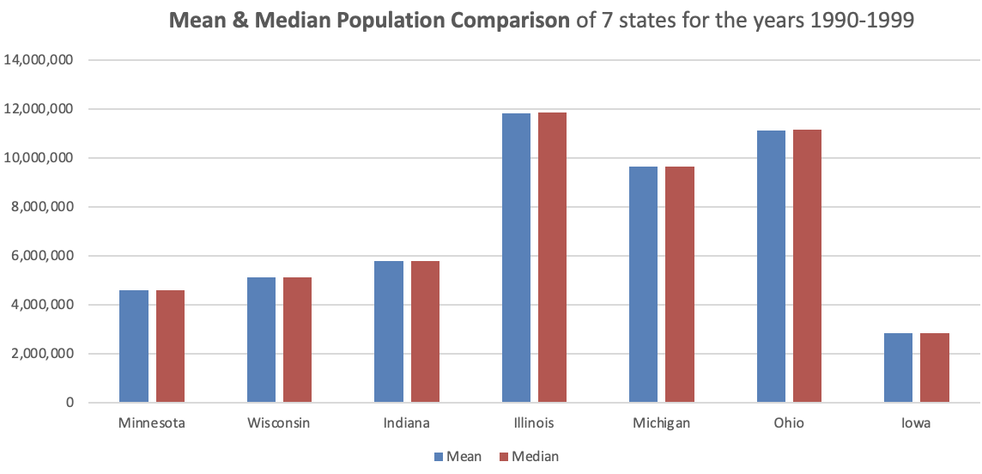

7 | Calculate the annual percentage population growth for Illinois, Indiana, Iowa, Ohio, Michigan, Wisconsin, and Minnesota
 | and create a line chart that compares the growth trends for these states.
 | I calculated the annual percentage growth for all of the 7 selected states in columns Q to Y within the 4th worksheet. The results are shown below.
 | The line chart attached below compares the growth trends of these 7 states with year on the X-axis and annual percentage population growth values on the Y-axis.
 | Legends/lines are the states with each of the 7 states being coloured distinctly for comparison of their growth trends.
 | Please see 4th worksheet titled Selected_states_%growth for formulas and line chart.

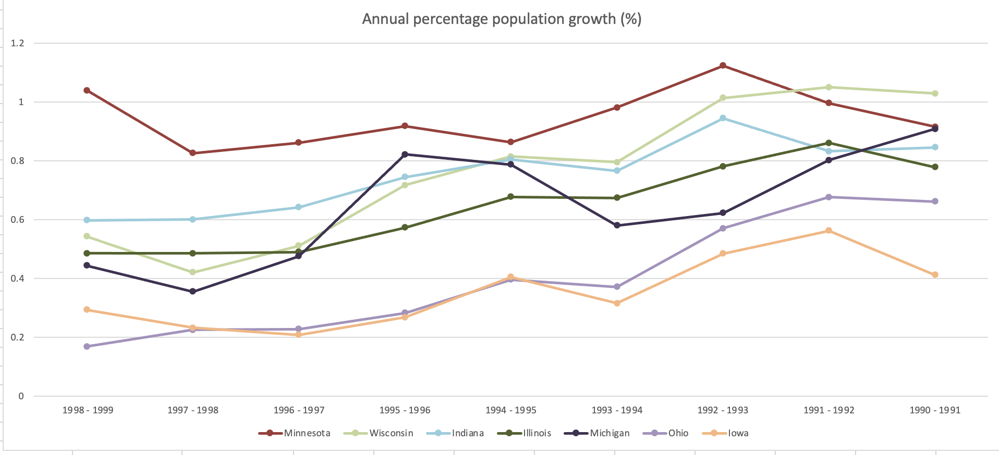

8 | Interpret the meaning of the line chart created in #7.
 | Minnesota remains the leader in terms of population growth.
 | Michigan experiences the most variability in growth.
 | Wisconsin, Indiana, and Illinois have moderate growth rates.
 | Ohio and Iowa remain the slowest-growing states.

9 | Which state had the largest standard deviation?
 | Texas
 | In Column Q, I calculated the Standard Deviation (S.D) of all states.
 | I sorted the values of Column Q in descending order to get the state with the largest S.D.
 | Please see the A2 row in the screenshot below
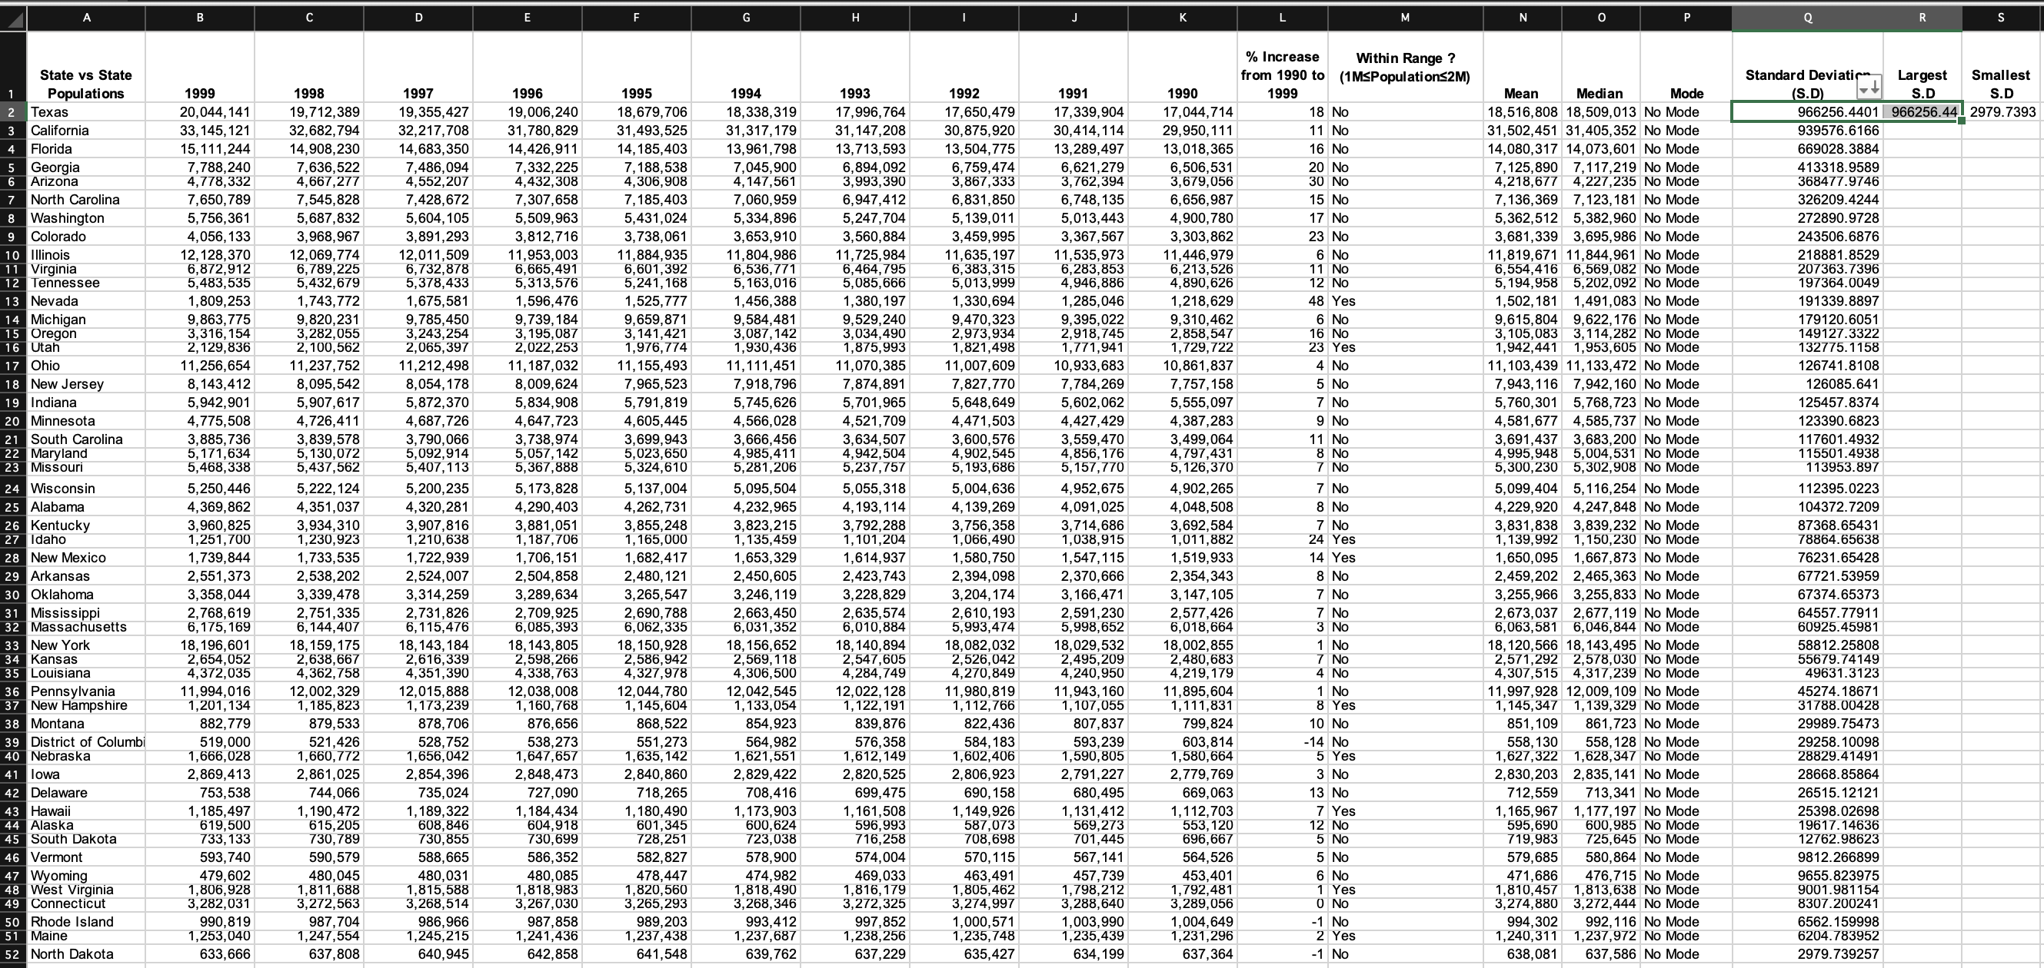

10 | Which state had the lowest standard deviation?
 | North Dakota
 | In Column Q, I calculated the Standard Deviation (S.D) of all states.
 | I sorted the values of Column Q in descending order to get the state with the lowest S.D.
 | Please see the A52 row in the screenshot below.

Selected_states_MMM
State vs State Populations | 1999 | 1998 | 1997 | 1996 | 1995 | 1994 | 1993 | 1992 | 1991 | 1990 | % Increase from 1990 to 1999 | Within Range ? (1M≤Population≤2M) | Mean | Median | Mode
Minnesota | 4,775,508 | 4,726,411 | 4,687,726 | 4,647,723 | 4,605,445 | 4,566,028 | 4,521,709 | 4,471,503 | 4,427,429 | 4,387,283 | 9 | No | 4,581,677 | 4,585,737 | No Mode
Wisconsin | 5,250,446 | 5,222,124 | 5,200,235 | 5,173,828 | 5,137,004 | 5,095,504 | 5,055,318 | 5,004,636 | 4,952,675 | 4,902,265 | 7 | No | 5,099,404 | 5,116,254 | No Mode
Indiana | 5,942,901 | 5,907,617 | 5,872,370 | 5,834,908 | 5,791,819 | 5,745,626 | 5,701,965 | 5,648,649 | 5,602,062 | 5,555,097 | 7 | No | 5,760,301 | 5,768,723 | No Mode
Illinois | 12,128,370 | 12,069,774 | 12,011,509 | 11,953,003 | 11,884,935 | 11,804,986 | 11,725,984 | 11,635,197 | 11,535,973 | 11,446,979 | 6 | No | 11,819,671 | 11,844,961 | No Mode
Michigan | 9,863,775 | 9,820,231 | 9,785,450 | 9,739,184 | 9,659,871 | 9,584,481 | 9,529,240 | 9,470,323 | 9,395,022 | 9,310,462 | 6 | No | 9,615,804 | 9,622,176 | No Mode
Ohio | 11,256,654 | 11,237,752 | 11,212,498 | 11,187,032 | 11,155,493 | 11,111,451 | 11,070,385 | 11,007,609 | 10,933,683 | 10,861,837 | 4 | No | 11,103,439 | 11,133,472 | No Mode
Iowa | 2,869,413 | 2,861,025 | 2,854,396 | 2,848,473 | 2,840,860 | 2,829,422 | 2,820,525 | 2,806,923 | 2,791,227 | 2,779,769 | 3 | No | 2,830,203 | 2,835,141 | No Mode

Mean & Median Population Comparision of 7 states for the years 1990-1999
 | Mean | Median
Minnesota | 4,581,677 | 4,585,737
Wisconsin | 5,099,404 | 5,116,254
Indiana | 5,760,301 | 5,768,723
Illinois | 11,819,671 | 11,844,961
Michigan | 9,615,804 | 9,622,176
Ohio | 11,103,439 | 11,133,472
Iowa | 2,830,203 | 2,835,141

